OLX
Дата | Сайт | Посилання на контент | Бренд | Назва файла | Рекламна мережа | Посилання на рекламну мережу | Посилання з UTM
2024-03-22 | glavcom.ua | https://glavcom.ua/sport/news/kostjuk-rozhromno-prohrala-pershij-rakettsi-svitu-na-turniri-v-ssha-video-990982.html | OLX | glavcom.ua_22.03.2024 | Google | https://www.googleadservices.com/pagead/aclk?sa=L&ai=COMGLX0j9ZfTQDZC178EPrsmD2AbA3eDGdvDD7oDREtTi5r4kEAEgnoOcFGClrqOG_CKgAZ-Lh8cCyAECqQLQwh43oqBbPqgDAcgDyQSqBNcCT9AKfA8cgMWqP00VpwgA3z8CXcj4NCp_zGPWWMps6IDMpeDMdo7KaId0hAzDjFxsi_IqyxUJywgfrxT1PYkajRibwYkL7S7sMA_uFo0DM5lDfKR9B8Ak4HaMh1dNEdj26h-aRnsGDzUn067exhtbBydl7FdmPVXqvNxedRlfhZUOYfhzrcemTSEVjDT37P5y2oT9ozv3ijZjxVOns-WnMSzAboB0NCbJwXnQyWOrVm7vL3nal3wCmOMgxQOhxsrfUfg_C1EMyZchuofxie-VE7CRXbRdDopNqESdGAmG-lO0D9NnTZLWsHJIHbieRe5tBSLurbcNjByjsEYbKVc9usaQrJ1iEPPKp9_rpSn14WI4RTJi3s6ECn8vBsMLth5Ykuh7fysyWhocUmt-p1_vOsEpt4L5GGgYro0yn50Wf0iWjeK4cXjeDxb1dBUc6QtLQmcN7SkBNMAE77rEvN0EiAWKmoCjTqAGAoAHyfT4uAGoB9m2sQKoB6--sQKoB9XJG6gHpr4bqAeOzhuoB5PYG6gH7paxAqgH_p6xAqgHmgaoB_PRG6gHltgbqAeqm7ECqAeDrbECqAfgvbECqAf_nrECqAffn7EC2AcB0ggkCIBhEAEYHzICigI6CYBAgMCAgICgKEi9_cE6WPLluszAh4UDmgkjaHR0cHM6Ly93d3cub2x4LnVhL3VrL25lZHZpemhpbW9zdC-xCQV1MmWSV1BNgAoByAsB4AsBqg0CVUHIDQHYEwPQFQGYFgH4FgGAFwGyGAkSApNOGAIiAQDoGAE&gclid=EAIaIQobChMItPy7zMCHhQMVkNo7Ah2u5ABrEAEYASAAEgIQZvD_BwE&num=1&cid=CAQSPAB7FLtqu8oe_hcLloyV_0KpTyj11GsuwDJCv6epTCObvXI3C__L7ZGOvAXsnvBozswIFW3ioT9Z05M0zRgB&sig=AOD64_0WvqgR2EIgxbJj_5e7CpEpNfMDwg&client=ca-pub-5553788019389384&rf=2&nb=17&adurl=https://ad.doubleclick.net/ddm/trackclk/N393806.5235738MAIN_BANNER_RE/B31557906.388141123%3Bdc_trk_aid%3D579440397%3Bdc_trk_cid%3D209994334%3Bdc_lat%3D%3Bdc_rdid%3D%3Btag_for_child_directed_treatment%3D%3Btfua%3D%3Bltd%3D%3Bdc_tdv%3D1 | https://www.olx.ua/uk/nedvizhimost/?dclid=&gclid=EAIaIQobChMItPy7zMCHhQMVkNo7Ah2u5ABrEAEYASAAEgIQZvD_BwE&utm_campaign=Real_Estate_Feb-Mar_Banner_2024&utm_medium=display&utm_source=google

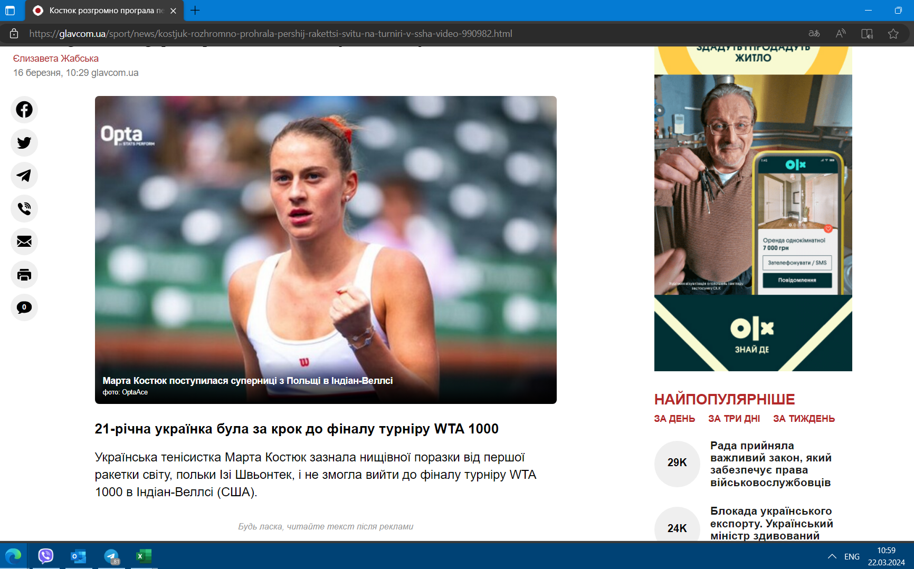

Дата | Сайт | Посилання на контент | Бренд | Назва файла | Рекламна мережа | Посилання на рекламну мережу | Посилання з UTM
2024-03-22 | 24boxing.com.ua | https://24boxing.com.ua/news/83452rayan-garsiya-devis-dav-meni-svii-nespravzhnii-nomer.html | OLX | 24boxing.com.ua_22.03.2024 | Google | https://googleads.g.doubleclick.net/aclk?sa=l&ai=Ckr7c5FL9Zcz4Cdug_tMP97S74Afq9ffGdsLbm_G7EvvV6caQChABIKzk9ghgpa6jhvwioAGfi4fHAsgBAqkC0MIeN6KgWz6oAwHIA8kEqgSPAk_Qzb7gN8uY4-mKf_9SyDrZUhwz1fmYXy7lpfTneP5HusBv4kzmoOsoebpSdm9YmzLjQlUsx5F4palzRP5-QreiGSrEIoPV0bUCMKTsH0xgi4waSp2BnSlDB_K2HHXU5B5o5E1iKk2Ws9SJeW218wSNfB7srfwcB-wAOXW153DP5Sfj4GEzbgqM4R1ePaFUXqhirxehDCICpwQmWDAwrNWWTfN00OSDb8xH_NyRHHbp_nPqO76rTPbO8S2LBlgbmYx1xBy7VsZQl8QPQZn7ryHkJGftx3UanSxnvP6DVtMzUYtm9pe_GPOWCQmLfC0aIC31UOy8T3pXDpSIcHnSqYbBJc4ine4ZKoRZCnsBqSvABOrf5tfTBIgFwPWrqE6gBgKAB8n0-LgBqAfZtrECqAevvrECqAfVyRuoB6a-G6gHjs4bqAeT2BuoB-6WsQKoB_6esQKoB5oGqAfz0RuoB5bYG6gHqpuxAqgHg62xAqgH4L2xAqgH_56xAqgH35-xAtgHAdIIJAiAYRABGB8yAooCOgmAQIDAgICAoChIvf3BOliGqcPQyoeFA5oJI2h0dHBzOi8vd3d3Lm9seC51YS91ay9uZWR2aXpoaW1vc3QvsQkFdTJlkldQTYAKAcgLAeALAaoNAlVByA0B2BMD0BUBmBYB-BYBgBcBshgJEgKTThgCIgEB6BgB&gclid=EAIaIQobChMIzPrH0MqHhQMVW5B_BB132g58EAEYASAAEgJvXfD_BwE&num=1&cid=CAQSOwB7FLtqAiTifHDzd3p8ikAqd1tigRXrlHwh2rNddkDO99-ePdoj2SPQ7XX_-5k3Ov75KxhbnGuiMnOrGAE&sig=AOD64_2nV4WK72YKAJ3aPc50eCUFbfUAWw&client=ca-pub-4577254435597104&rf=2&nb=17&adurl=https://ad.doubleclick.net/ddm/trackclk/N393806.5235738MAIN_BANNER_RE/B31557906.388111658%3Bdc_trk_aid%3D579525292%3Bdc_trk_cid%3D209993839%3Bdc_lat%3D%3Bdc_rdid%3D%3Btag_for_child_directed_treatment%3D%3Btfua%3D%3Bltd%3D%3Bdc_tdv%3D1 | https://www.olx.ua/uk/nedvizhimost/?dclid=&gclid=EAIaIQobChMIzPrH0MqHhQMVW5B_BB132g58EAEYASAAEgJvXfD_BwE&utm_campaign=Real_Estate_Feb-Mar_Banner_2024&utm_medium=display&utm_source=google

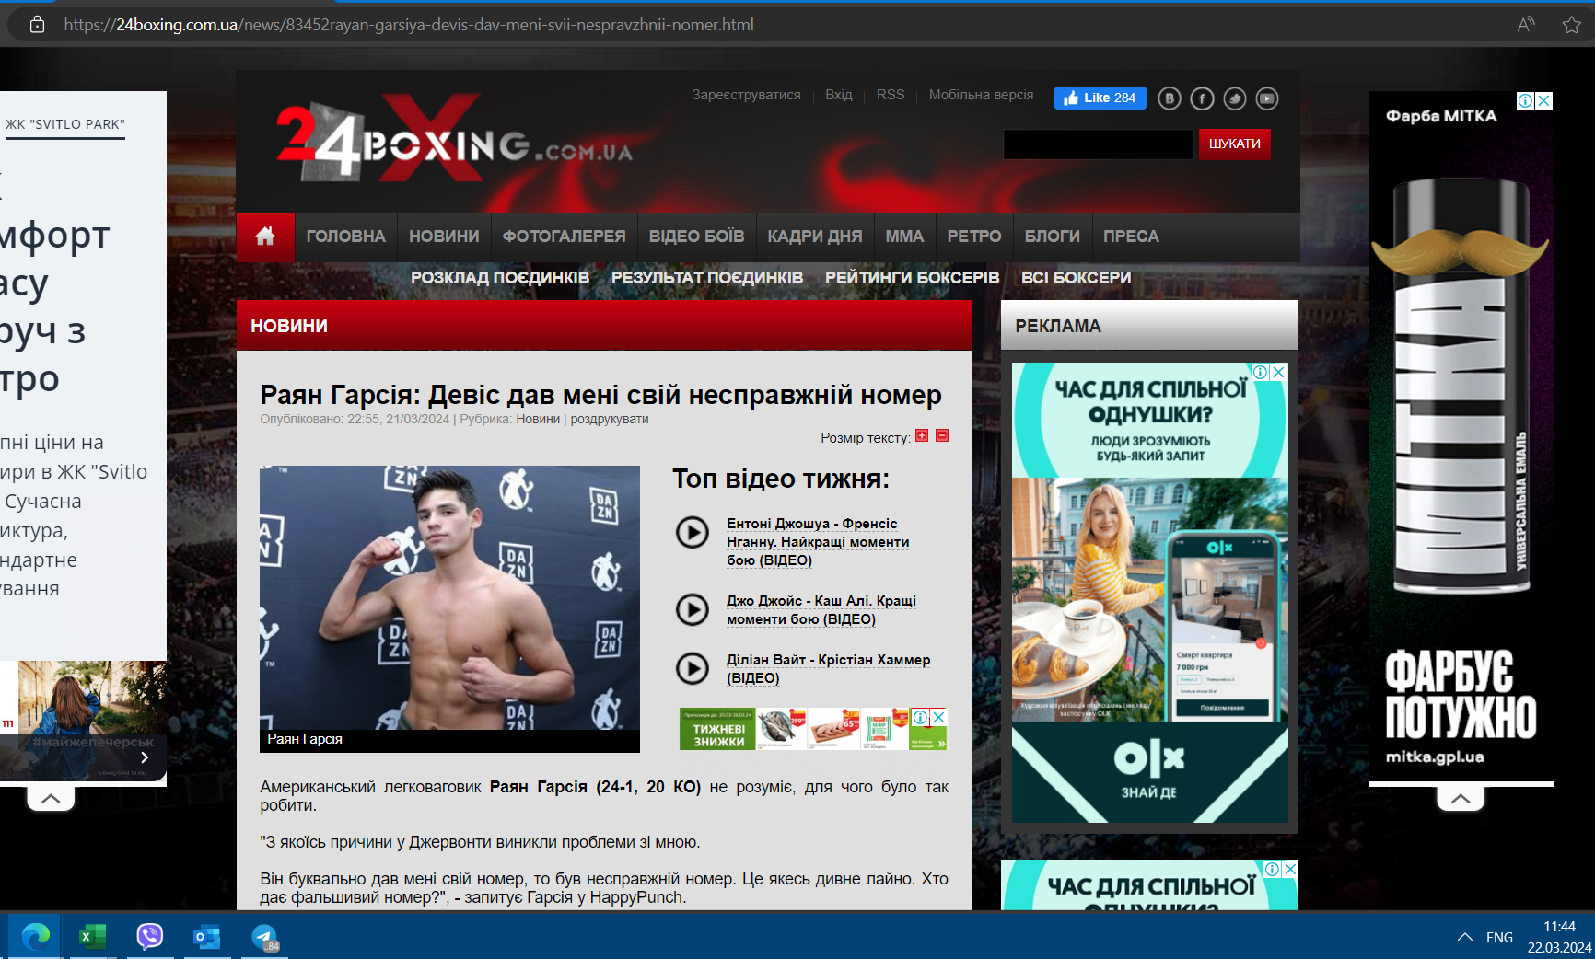

Auchan
Дата | Сайт | Посилання на контент | Бренд | Назва файла | Рекламна мережа | Посилання на рекламну мережу | Посилання з UTM
2024-03-22 | glavcom.ua | https://glavcom.ua/sport/news/kostjuk-rozhromno-prohrala-pershij-rakettsi-svitu-na-turniri-v-ssha-video-990982.html | Auchan | glavcom.ua_22.03.2024 | Google | https://www.googleadservices.com/pagead/aclk?sa=L&ai=C65KRC0n9ZcLDBq2_-cAPvK684Avs18bFduub7um6ErjUsYbTARABIJ6DnBRgpa6jhvwioAGF7fSUKsgBAqkC0MIeN6KgWz6oAwHIA8kEqgTnAk_Q7oC3q6rJ6balUzvsEwZ3vA56RK2KlDdnF_VxoBYlW5uGsgRstNkkTTwrkXnlEsy3zgpDUdNKDnVG4vBTb4jDSrVSu_dAmkgng8CmcWWfjwj9EHMsumUZCb4diStn_81c9sRsuXn52RWWYvnWe0Bl02ITYNxMyi7sRIKji3T8yjOkLmjc958BKKbaa3tTY4w62uAqGx0s7_DvFPncDHgKwkI89MyRS-502vq1uEOSX4nZYAjwskHt8Kw5IfvbwdAVxknEyWoyVlzMbxdNr2eMZRVZ0CPjlIXMGMT936sSQs11RFVvY__X-GeusN_wmbLtwRNoAJw2qrIgED6VPiQfbFvJcQBeIWjF_L6EHdCe3bi0OHXHF69PxxsGJ-LmfAPNtaOPhnU5WDPdpsDbq_VmnxFJ5fQ9xeiBJZVNA7GwoCgbbXWM1vIJ2kx9j7M5neYjN50S74MEfm6TQQENHKIIEjUEOK-WwASV2dDDyASIBZf6s9FOoAYCgAeFpcX0BKgH2baxAqgHr76xAqgH1ckbqAemvhuoB47OG6gHk9gbqAfulrECqAf-nrECqAeaBqgH89EbqAeW2BuoB6qbsQKoB4OtsQKoB-C9sQKoB_-esQKoB9-fsQLYBwHSCCQIgGEQARgfMgKKAjoJgECAwICAgKAoSL39wTpYquC1nsGHhQOxCeTQhnHMaZWVgAoBmAsByAsBqg0CVUHIDQHYEwPQFQGYFgH4FgGAFwGyGAkSAuROGAIiAQDoGAE&ae=1&gclid=EAIaIQobChMIgvW2nsGHhQMVrV8eAh08Fw-8EAEYASAAEgJ5tPD_BwE&num=1&cid=CAQSPAB7FLtqmZwUNqnAe1L1MdjncQayrp9ZqQrPVY_68C_cmhuETdrgSqkmun1GNLGsscpJQckhm4f3HFukghgB&sig=AOD64_0z6Nl5NyHzKBE4ahr6-ZngletMSg&client=ca-pub-5553788019389384&rf=2&nb=17&adurl=https://auchan.ua/ua/lookbook-products/1373/%3Futm_source%3Dgdn%26utm_medium%3Dbanner%26utm_campaign%3DAuchan12Catalogue_203-2603%26gclid%3DEAIaIQobChMIgvW2nsGHhQMVrV8eAh08Fw-8EAEYASAAEgJ5tPD_BwE | https://auchan.ua/ua/lookbook-products/1373/?utm_source=gdn&utm_medium=banner&utm_campaign=Auchan12Catalogue_203-2603&gclid=EAIaIQobChMIgvW2nsGHhQMVrV8eAh08Fw-8EAEYASAAEgJ5tPD_BwE
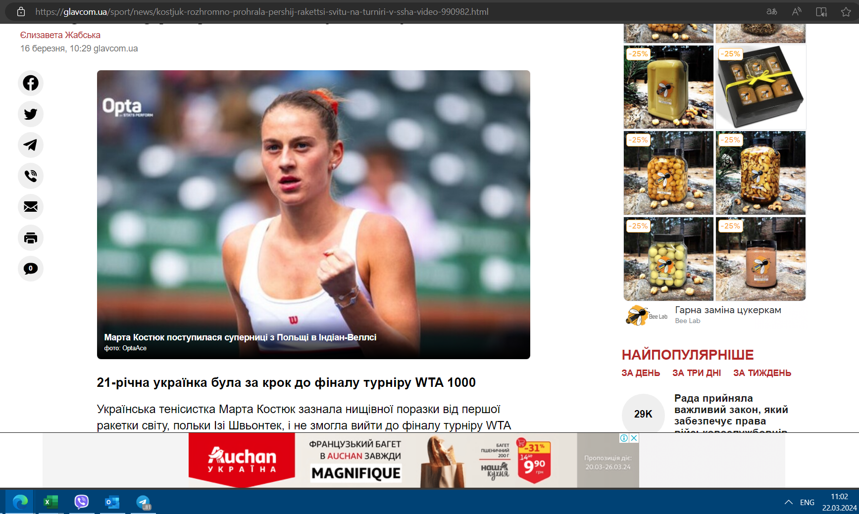

Rozetka
Дата | Сайт | Посилання на контент | Бренд | Назва файла | Рекламна мережа | Посилання на рекламну мережу | Посилання з UTM
2024-03-22 | showdream.org | https://showdream.org/novini/zrkove-zhittya/45239-arana-grande-ofcyno-rozluchilasya-viplatit-kolishnomu-cholovkov-velicheznu-sumu.html | Rozetka | showdream.org_22.03.2024 | Google | https://www.googleadservices.com/pagead/aclk?sa=L&ai=CygIkbkz9ZaLXKZWj7_UPlvSFoAaYocCtduHw_5vHEujQ74CZAhABIOLO8Chgpa6jhvwioAH1lZ2lAcgBAqkC0MIeN6KgWz7gAgCoAwHIAwiqBJkDT9BMVh5ewx12jNkUY0xwFFHNtVYOt6u_IZjjYqveld_XZ1ndt1mERT7yn_0kCax6r8uvmexumb49fBjKijMwOGy4crUSfofpztLCFp15coYUoiwb87hPeiS669lvZT03XE-FdmiljWnzxa2x1jhJ_BrFUyCCQnGB8NQx-Xkt7-VuX4cGnmK-eDuNTFKlicpIEySaXQlO7St3rpCkPVLqQfPYtxjNuR9k06AcW4If00vpLgxTW7bWcyB7MBvRDXX8PQWnQ3eAwft9wgOxQpryfoNWyPy1AlwuERbu0uj0R_muAy5vgAVeR8NbBAR8eOCdXh5aD2Ywq2ogI3BuNq0fMq9ozY6py5cKJ4grDSt_WUgIc8LofAX5fNXpxhkHuHI13Bs3qgy0-tdeyU6qNy6XvMwV4rx6tB6ob95WwgukYNwxdwEVlXtkSgVcvEpkWSf90qapcIuWw4LN-eEagsAk3zEAwjl8nwfOUbZ8vpY5Agp6MKMRspwPde9h-eofKGz4-n6P2ZIblP-ovoCiHte_m7hrCAqlATrgisAEmprBsNYE4AQBiAX52vLBTqAGAoAH8-ni2gKoB9m2sQKoB6--sQKoB9XJG6gHpr4bqAeOzhuoB5PYG6gH7paxAqgH_p6xAqgHmgaoB_PRG6gHltgbqAeqm7ECqAeDrbECqAfgvbECqAf_nrECqAffn7EC2AcB0ggkCIBhEAEYHTICigI6CYBAgMCAgICgKEi9_cE6WMLYjbzEh4UDsQnO80UCNvLc6oAKA5gLAcgLAaoNAlVByA0B4g0TCP2GjrzEh4UDFZXRuwgdFnoBZNgTAtAVAZgWAfgWAYAXAbIYCRICx04YAiIBAOgYAQ&ae=1&gclid=EAIaIQobChMIosaPvMSHhQMVldG7CB0WegFkEAEYASAAEgIIkfD_BwE&num=1&cid=CAQSOwB7FLtq1ResT9lC8s9-KaN7fyi3wuUX0TNfAtoufBcAJ92DTCz0C_6R7fxpqO6r30yoeOd-NW4tMHgHGAE&sig=AOD64_0odJE49A3KeBHOJFDV1LO7LntdAA&client=ca-pub-9597688850300628&rf=5&nx=CLICK_X&ny=CLICK_Y&uap=UACH(platform)&uapv=UACH(platformVersion)&uaa=UACH(architecture)&uam=UACH(model)&uafv=UACH(uaFullVersion)&uab=UACH(bitness)&uaw=UACH(wow64)&uafvl=UACH(fullVersionList)&nb=2&adurl=https://rozetka.com.ua/ua/news-articles-promotions/promotions/242846_sale_rowenta/%3Fgclid%3DEAIaIQobChMIosaPvMSHhQMVldG7CB0WegFkEAEYASAAEgIIkfD_BwE | https://rozetka.com.ua/ua/news-articles-promotions/promotions/242846_sale_rowenta/?gclid=EAIaIQobChMIosaPvMSHhQMVldG7CB0WegFkEAEYASAAEgIIkfD_BwE

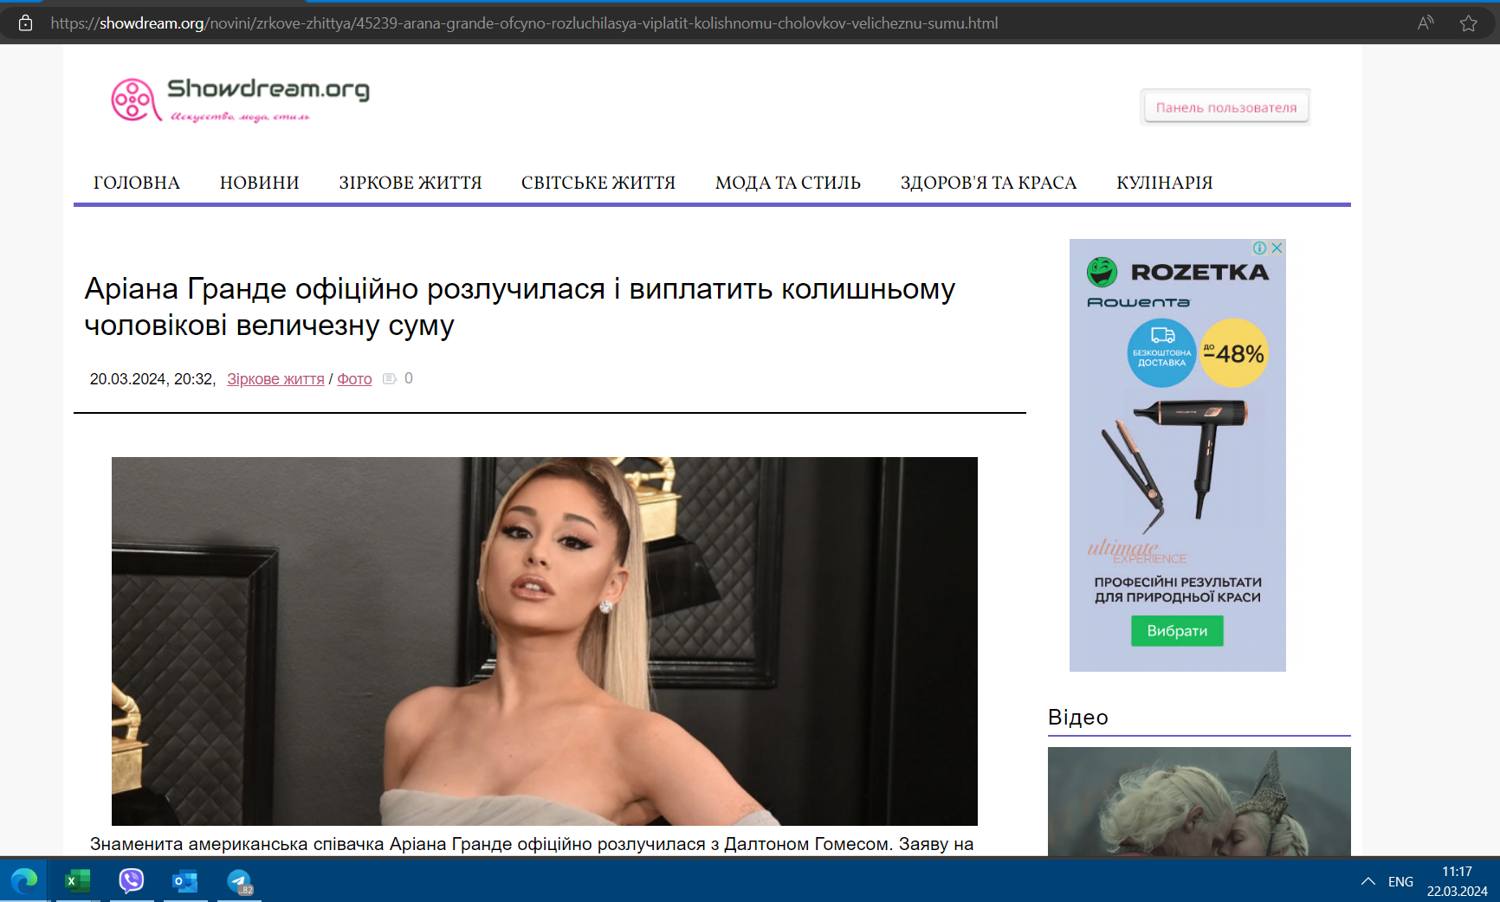

Дата | Сайт | Посилання на контент | Бренд | Назва файла | Рекламна мережа | Посилання на рекламну мережу | Посилання з UTM
2024-03-22 | 24boxing.com.ua | https://24boxing.com.ua/ | Rozetka | 24boxing.com.ua_22.03.2024 | Google | https://www.googleadservices.com/pagead/aclk?sa=L&ai=CDGaCb1L9ZbjUAqKgiM0Pu6GyqAvas66fdtPtltKqEtKMgrfGARABIKzk9ghgpa6jhvwioAH1lZ2lAcgBAqkC0MIeN6KgWz6oAwHIA8kEqgTKAU_Q8QWnaTNQJyRgBOq9YiU_eGKh3gX0RgyRndYv_uZl3vQngtiLSy_xbD2Fnf26jKornynn7TMnsHjCKhr7s12wDM2LggvH87fOqW-kYA2Lod_4kqDuXOurdc59xHjdB0gVNpQGKBoiTDjQtkJkMq4wFINNKne8g0Zg5TtQ0xkK1LManSa-YKuv6-RtygbWj9lTM-n_OlOF4bXcgcDFr07lWxXoduQUYoxiYb5Tz0TjmHSdYZOiITNvJX4Mgp3Loczh09LjuIAbenHABL3blf_QBIgF2MKtwk6gBgKAB_Pp4toCqAfZtrECqAevvrECqAfVyRuoB6a-G6gHjs4bqAeT2BuoB-6WsQKoB_6esQKoB5oGqAfz0RuoB5bYG6gHqpuxAqgHg62xAqgH4L2xAqgH_56xAqgH35-xAtgHAdIIJAiAYRABGB8yAooCOgmAQIDAgICAoChIvf3BOljgn9qYyoeFA7EJT1T08zutSJmACgGYCwHICwGqDQJVQcgNAdgTAtAVAZgWAfgWAYAXAbIYCRICrFEYAiIBAOgYAQ&ae=1&gclid=EAIaIQobChMI-MfbmMqHhQMVIhCiAx27kAy1EAEYASAAEgIb-_D_BwE&num=1&cid=CAQSPAB7FLtqUyBUUjsqHW7poE8E322sio1s0sts1-7DNgYdu2AiYf5i8W990oUb9iGVuNUL8vN1XlcWU1S6ERgB&sig=AOD64_0OlNDnkedtKrslI_Rg5cihFuGWgA&client=ca-pub-4577254435597104&rf=2&nb=17&adurl=https://rozetka.com.ua/ua/news-articles-promotions/promotions/242429_gift_electrolux/%3Fgclid%3DEAIaIQobChMI-MfbmMqHhQMVIhCiAx27kAy1EAEYASAAEgIb-_D_BwE | https://rozetka.com.ua/ua/news-articles-promotions/promotions/242429_gift_electrolux/?gclid=EAIaIQobChMI-MfbmMqHhQMVIhCiAx27kAy1EAEYASAAEgIb-_D_BwE

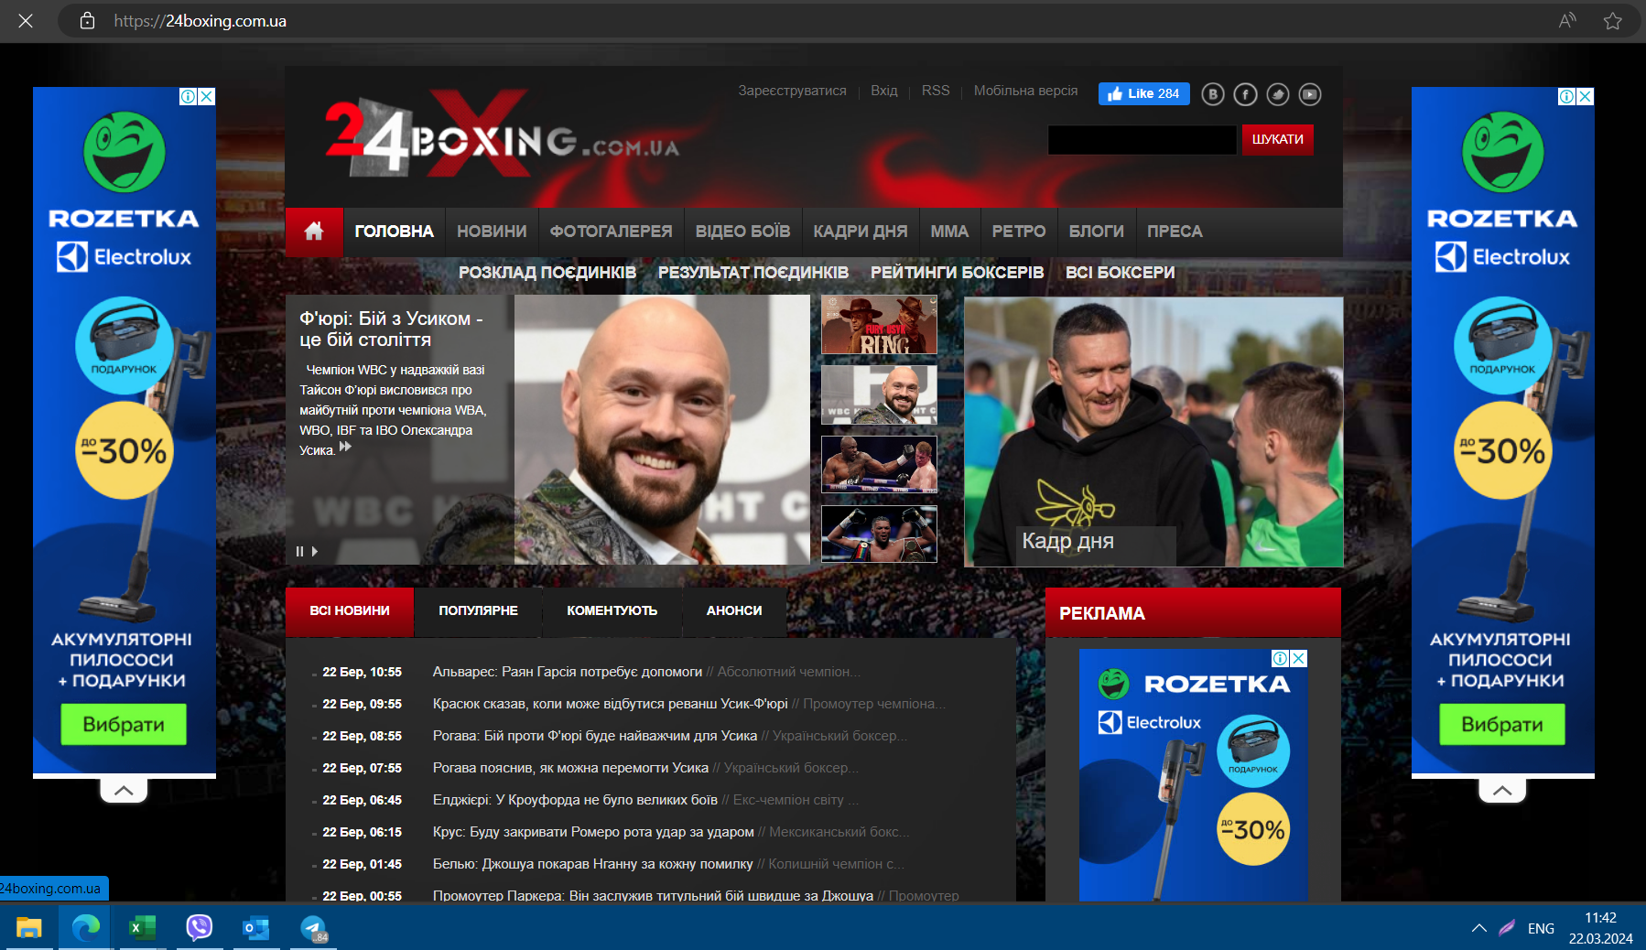

Дата | Сайт | Посилання на контент | Бренд | Назва файла | Рекламна мережа | Посилання на рекламну мережу | Посилання з UTM
2024-03-22 | footballtransfer.com.ua | http://footballtransfer.com.ua/ | Rozetka | footballtransfer.com.ua_22.03.2024 | Google | https://www.googleadservices.com/pagead/aclk?sa=L&ai=C9oYRWF79ZZEIrdvV8A_n-Ij4BuTp-Ld2-fDFg5MSmeGy9NsJEAEgrOT2CGClrqOG_CKgAfWVnaUByAECqQLQwh43oqBbPqgDAcgDyQSqBIwCT9BggPjRp9YbMDXgo7WUvDyjV1XSdyo2P5zYd3PT_EGdUvW5Zc4QrBvntZ9KMI_stUogJukyiqV9evU3tj52sXq-5o0_uy77HzKvcm2K-VCZGVfUbud42KaR9Xn9nZQaMuNjueBN1JLgyS4dVrbhRHoh0yCEikSJXjQICZ-5y73OnUb5UReZue9MLSESn3pIZzmmGimLMA2KLPFG61-qJfpIOWC0kPQCGV30dcDaLi63ppV2rTOD3MGov9vRuWEkAIRU95VeovVbzaZD15fo5MFUfsX7Fd3J_h9-kdGCT-Lgs97iZ3yGJRIygyCflntjocHsYnmDCc6c71GbhotJt8lxjW7baxxfO2cGgsAEjZ-vpdMEiAWdsbjPTqAGAoAH8-ni2gKoB9m2sQKoB6--sQKoB9XJG6gHpr4bqAeOzhuoB5PYG6gH7paxAqgH_p6xAqgHmgaoB_PRG6gHltgbqAeqm7ECqAeDrbECqAfgvbECqAf_nrECqAffn7EC2AcB0ggkCIBhEAEYHzICigI6CYBAgMCAgICgKEi9_cE6WO6ZyMbVh4UDsQmU-Gp6TQz1_4AKAZgLAcgLAaoNAlVByA0B2BMC0BUBmBYB-BYBgBcBshgJEgL8WhgCIgEB6BgB&ae=1&gclid=EAIaIQobChMIkZTJxtWHhQMVrW0VCB1nPAJvEAEYASAAEgKcHPD_BwE&num=1&cid=CAQSPAB7FLtq2F_qYhVKizHueLA_Yc5E5h5T3Vlk7r4WYBxp-Vt9ssb3tEZhTO3UK59LAN3Io-_-7zXac_voBhgB&sig=AOD64_0TrqXj4orhxKfXCQje3c2h9IbtHw&client=ca-pub-4577254435597104&rf=2&nb=17&adurl=https://rozetka.com.ua/ua/news-articles-promotions/promotions/243773_gift_coffeemachine/%3Fgclid%3DEAIaIQobChMIkZTJxtWHhQMVrW0VCB1nPAJvEAEYASAAEgKcHPD_BwE | https://rozetka.com.ua/ua/news-articles-promotions/promotions/243773_gift_coffeemachine/?gclid=EAIaIQobChMIkZTJxtWHhQMVrW0VCB1nPAJvEAEYASAAEgKcHPD_BwE
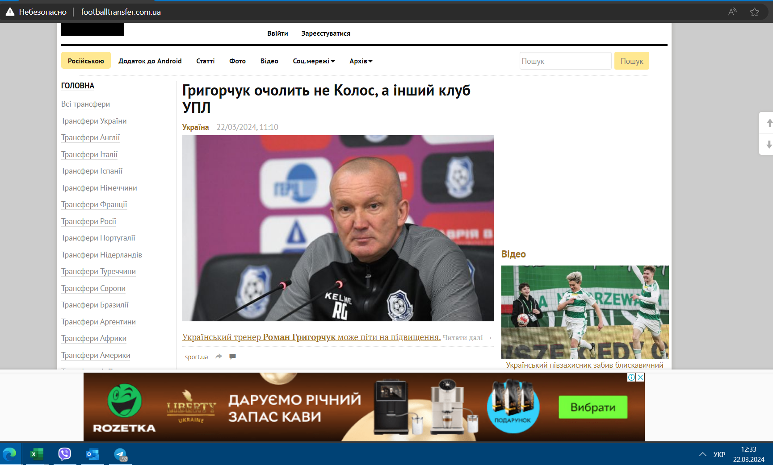

Дата | Сайт | Посилання на контент | Бренд | Назва файла | Рекламна мережа | Посилання на рекламну мережу | Посилання з UTM
2024-03-22 | football-ukraine.com | https://football-ukraine.com/ | Rozetka | football-ukraine.com_22.03.2024 | Google | https://www.googleadservices.com/pagead/aclk?sa=L&ai=CoaPT02X9ZcuaI7zPxtYP9P2JiAyYlZOZdpPZtuypEujQ74CZAhABIKzk9ghgpa6jhvwioAH1lZ2lAcgBAqkC0MIeN6KgWz6oAwHIA8kEqgTWAU_QAIHebxCkw7NcZRMNyk4rUpc4DnHGl4TjYCV6TU6EQshmrrS9amEx8MdO_TPKI-Xii1AHWUWiJMSbLK4OQK0e1k6FA79fmdMpvvMWVsoBLV1stwSpmQVUOF3v9ZxAh8wEvZJNLK47NYWS5kE3-E8TikuDfYGwpCrgeOZRF4akl8GwLx8iN6l2FkueCMcozJK2Ymtp3HiT5hI0ZCNLdFsno5en25ZjLOBTkBqU8RrkHd8pZWgxMOZZf38s-rmTq7edBBnaNVUXiQGVxNy87IVqsgpVNX_ABJ7n8a3VBIgFvJ2tuk6gBgKAB_Pp4toCqAfZtrECqAevvrECqAfVyRuoB6a-G6gHjs4bqAeT2BuoB-6WsQKoB_6esQKoB5oGqAfz0RuoB5bYG6gHqpuxAqgHg62xAqgH4L2xAqgH_56xAqgH35-xAtgHAdIIJAiAYRABGB8yAooCOgmAQIDAgICAoChIvf3BOli21frX3IeFA7EJh4HLT9T39BGACgGYCwHICwGqDQJVQcgNAdgTAtAVAZgWAfgWAYAXAbIYCRICy04YAiIBAOgYAQ&ae=1&gclid=EAIaIQobChMIi9D-19yHhQMVvKfRBB30fgLBEAEYASAAEgKXyvD_BwE&num=1&cid=CAQSOwB7FLtq7rIagLjR6E8SZdbjlnWKaSelX9mnwnoe1kRmIr8M70mxBdhd0_4Yyv5HUPPbbcCvl9Bg0jhwGAE&sig=AOD64_3VQHaxA8QREhbtNHSZDGxZ2f-0Xw&client=ca-pub-4577254435597104&rf=2&nb=17&adurl=https://rozetka.com.ua/ua/news-articles-promotions/promotions/242345_sale_braun/%3Fgclid%3DEAIaIQobChMIi9D-19yHhQMVvKfRBB30fgLBEAEYASAAEgKXyvD_BwE | https://rozetka.com.ua/ua/news-articles-promotions/promotions/242345_sale_braun/?gclid=EAIaIQobChMIi9D-19yHhQMVvKfRBB30fgLBEAEYASAAEgKXyvD_BwE
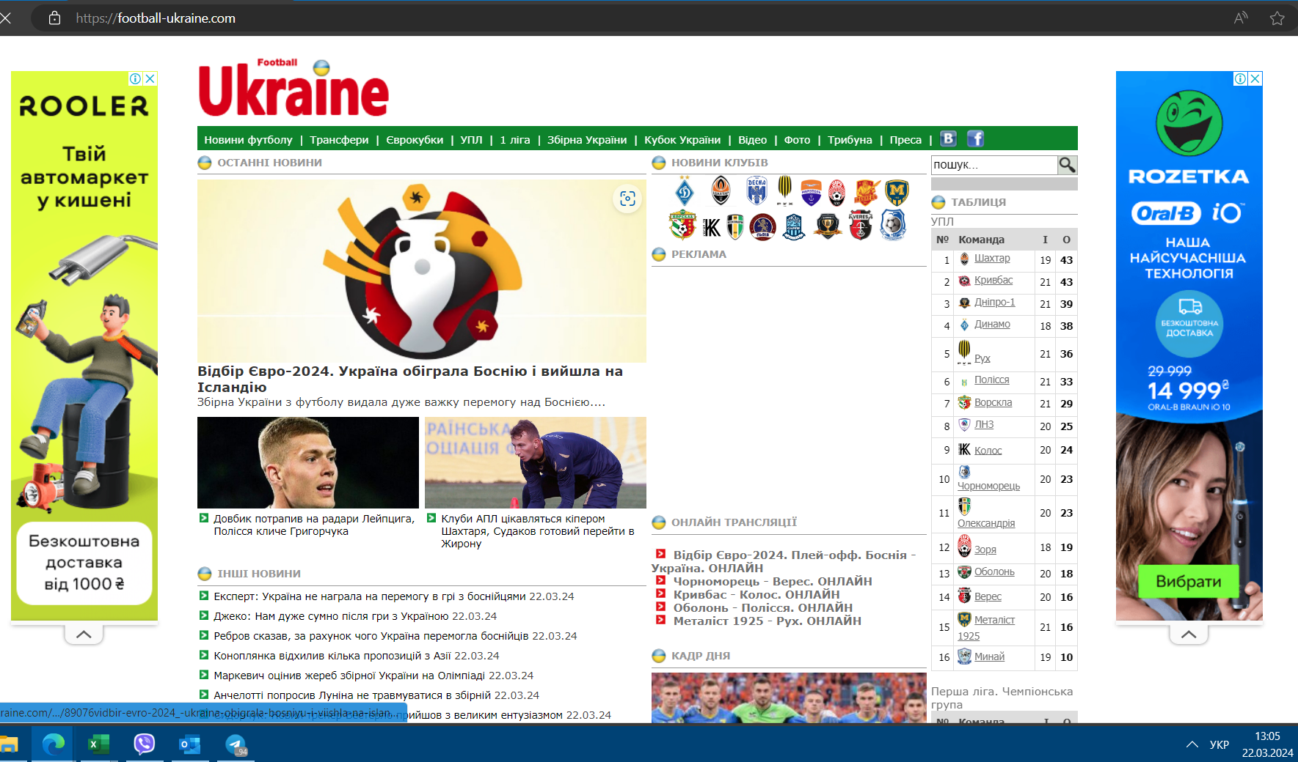

Дата | Сайт | Посилання на контент | Бренд | Назва файла | Рекламна мережа | Посилання на рекламну мережу | Посилання з UTM
2024-03-22 | wz.lviv.ua | https://wz.lviv.ua/news/509290-zbirna-ukrainy-obihrala-bosniiu-detali | Rozetka | wz.lviv.ua_22.03.2024 | Google | https://www.googleadservices.com/pagead/aclk?sa=L&ai=CCLbnpGj9ZYyjMrG71fAPm7SY6Ay1tKu_dsGStZGMEpnhsvTbCRABIJ-ykShgpa6jhvwioAHn3pnTAcgBCakC0MIeN6KgWz6oAwHIA8sEqgSuAk_QtSpyuMitg_VYQxxgb1_4e48Dl1_gadx3us9MR8weGuzl8IzrQloRDjV3b3Kj5y6Z6oB7Milb8Bi5oQfYPGX-_uXSKjx2wyQE7Zic3ahqB3KtCvDcTdbxsJWFBxnh6Tbq8ARYOwy73YAQT-UFQ-mpyBE_vDAT0JAO_iczGIfCKXL8UwEcKOSapQ_P0Jis2brO1Vao-WMLJqHaDRkKVv7NdAozJWEiChqlwToEb_-odP32thbccv1kl-Fq2MQBCEAvTWe1altVMsPaFoqNplxExuuQF6RkpsDTkyDBstmNaPb_PGcNsqFEvVyIKBf0jm3NttmHb011W9RvfGCx1uhlOW9riq5S8LqhnmYxopjrPT6PBUv1oG8D2avrnPPNxANOWEPqT9guLbn_BtrVwATnidqOtgSIBZvPsapMwAUF-gUGCCUQARgAoAYugAeBoeasAqgH2baxAqgHr76xAqgHpr4bqAeOzhuoB5PYG6gH7paxAqgH_p6xAqgHmgaoB_PRG6gHltgbqAeqm7ECqAeDrbECqAfgvbECqAf_nrECqAffn7EC2AcAwAgB0ggkCIBhEAEYHzICigI6CYBAgMCAgICgKEi9_cE6WICj86_fh4UDgAoBkAsDmAsByAsBgAwBqg0CVUHIDQHgErWGyr-vlbq6RNgTDNAVAZgWAfgWAYAXAbIYCRIC5E4YLiIBAegYAQ&ae=1&gclid=EAIaIQobChMIjIX0r9-HhQMVsV0VCB0bGgbNEAEYASABEgIeiPD_BwE&num=1&cid=CAQSPAB7FLtqyIHAHBpXOSYVFDwAcwC41XRRbIf6XkkZtqUaV1W6Gie_qrLuqFTtU2aBrwGxd4JAEh_ILcK6khgB&sig=AOD64_0HPv-ho8-Fprm2weL1F20BKkEg5A&ctype=5&client=ca-pub-9733567034527918&nb=19&adurl=https://rozetka.com.ua/ua/samsung-sm-f731blggsek/p388527624/%3Fgclid%3DEAIaIQobChMIjIX0r9-HhQMVsV0VCB0bGgbNEAEYASABEgIeiPD_BwE | https://rozetka.com.ua/ua/samsung-sm-f731blggsek/p388527624/?gclid=EAIaIQobChMIjIX0r9-HhQMVsV0VCB0bGgbNEAEYASABEgIeiPD_BwE

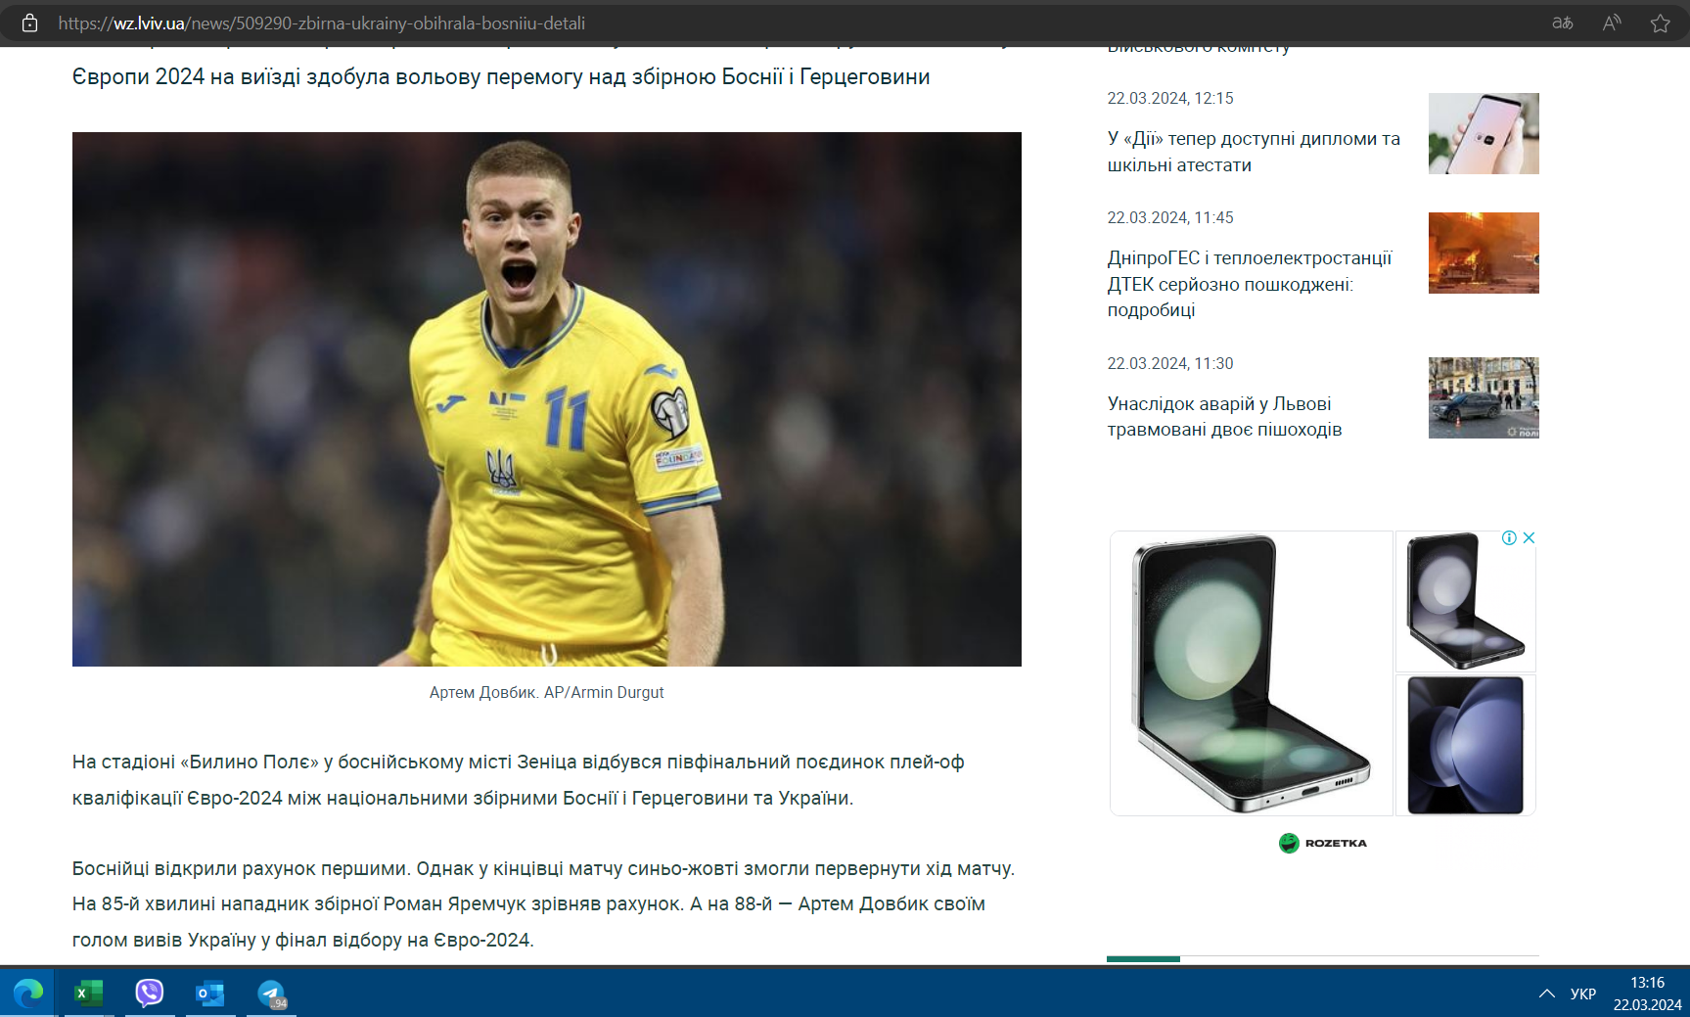

Дата | Сайт | Посилання на контент | Бренд | Назва файла | Рекламна мережа | Посилання на рекламну мережу | Посилання з UTM
2024-03-22 | btu.org.ua | https://btu.org.ua/news/ukrainskiy-tennis/48676-majami-jelina-svitolina-protiv-naomi-osaki-vo-vtorom-kruge-prevju-matcha.html | Rozetka | btu.org.ua_22.03.2024 | Google | https://www.googleadservices.com/pagead/aclk?sa=L&ai=CtcUovGz9Zc_aCIOgtOUPsN-EwAeuhuX9dd_iibnKEZnhsvTbCRABIOOOmnZgpa6jhvwioAHr3JnTAcgBCakC0MIeN6KgWz6oAwHIA8sEqgTiAk_Q2pNbqQBDuRrOUVDVFa1PBrAHB0qCQ1LNRLVXTB2Yuh_Iubv-Sw_U7KSr1Z-i5Xaquz4fEXqMDHRcg7GJB8w3mhOMHaDQjJ3UyjX3rTa2_E6_1UNlXbRzRaAH3ZRLYVSpY2_HclejgZ6duXlKP2e1tbUHL8EClulIyKA0OY502465tynB-mHwidkmbmrtswUuXiCrcMjdwYKv2QZuPkgmqUd4aGbT_rOH3iylPfTogXZKi3JegWGryrt49_4P_UXaZw6RKyOpWih5c57tDFYJkn26jcPYLIHw4Z9qJ2N_iKi_JRvqpdaTCQvK1pKhD5IyMqe8s__UYPcq0UpF6C-yXZCZcEtL-FcBudIDr3Ii8-MkroZ8nN91MgfbiBGjCQNKgbjNffoZ6q8NhvMXfpFSm5ZKx00qk-CAJBgyaF_4dr4QWCWEv5_x2YHiFKXSkcycRZEIu4NifoYCjZqz99Z7scAEnL_Gr6sEiAXo1bH5SsAFBfoFBgglEAEYAKAGLoAH_aLmrAKoB9m2sQKoB6--sQKoB6a-G6gHjs4bqAeT2BuoB-6WsQKoB_6esQKoB5oGqAfz0RuoB5bYG6gHqpuxAqgHg62xAqgH4L2xAqgH_56xAqgH35-xAtgHAMAIAdIIJAiAYRABGB8yAooCOgmAQIDAgICAoChIvf3BOlivt6Kj44eFA4AKAZALA5gLAcgLAYAMAaoNAlVByA0B4BLJmNSWkaSGh5EB2BMM0BUBmBYB-BYBgBcBshgJEgLkThguIgEB6BgB&ae=1&gclid=EAIaIQobChMIz6ino-OHhQMVAxCtBh2wLwF4EAEYASABEgKItfD_BwE&num=1&cid=CAQSPAB7FLtqmVHJNgRqdLWIZQgOC3Gax5M8juBpSJimTUGiidtwcYOrpIh8u4LkwfriAMEeIRvNTlEVD62hwhgB&sig=AOD64_1Lilyi8ZapuHk_aZi8Ye1tjvcrYw&ctype=5&client=ca-pub-7576974274272433&nb=19&adurl=https://rozetka.com.ua/ua/lenovo-82k20297ra/p400997976/%3Fgclid%3DEAIaIQobChMIz6ino-OHhQMVAxCtBh2wLwF4EAEYASABEgKItfD_BwE | https://rozetka.com.ua/ua/lenovo-82k20297ra/p400997976/?gclid=EAIaIQobChMIz6ino-OHhQMVAxCtBh2wLwF4EAEYASABEgKItfD_BwE

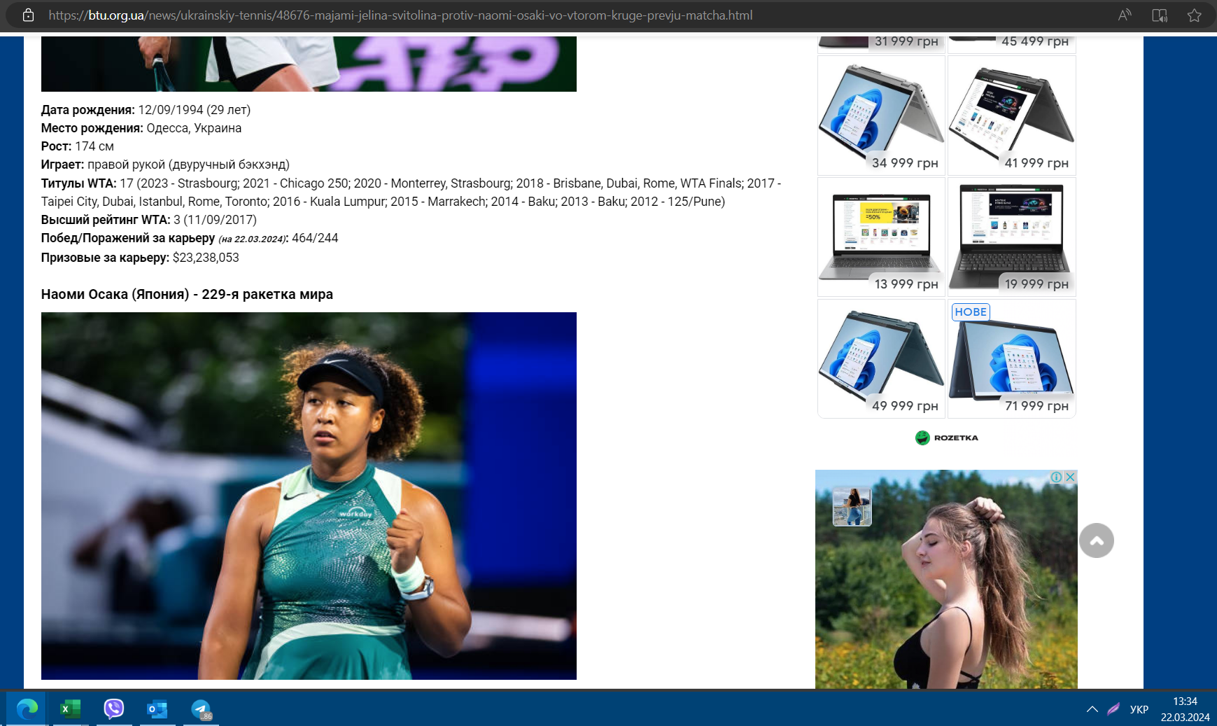

Дата | Сайт | Посилання на контент | Бренд | Назва файла | Рекламна мережа | Посилання на рекламну мережу | Посилання з UTM
2024-03-22 | modistas.store | https://modistas.store/ | Rozetka | modistas.store_22.03.2024 | Criteo | https://cat.fr3.eu.criteo.com/delivery/ck.php?cppv=3&cpp=_-N5kzyzHVT_a-yu2jhZTNeBD2pK6RwbOBtsIHU-gAXoZ2vMzNB2S_RXg9rZw9CPQf0q5lHfHzMLu4W6QqIMO_2rZdxjtQxxmAcbiMpW2e-ihZAnMahSjQD-ahGE81wOMIGaPoB-sZQ4XyUG7kdABjhNxHr_bANgggiIR4Jc9s9nTVGCxB3cIclZArJwoYE5uzkmTm1Bsb8CXU1L5LZ_X3TddnFLwckuESRDEONMn6hkHYuJE2CAFjt4LKXWjwgz9UQ6VdzwU9vNWGRoGgo1H-e947uwPygoglgWprm1hQUjE4JrfnfztfxTq7RXoJ0UKG9z-az2UxA46eJ2R4uB37nLN_r2GlKZcreTt2qul4GQOrh3n5DPILGcEaca22lzCzujrdoFxSB7xRmd__fjoK3HYT26zXpZxfIhR-O2qAq_jJOVbaI1EmTrEADBcASQ4RS7ZNuMjtAD1AKWshtgDYu5hcEUOT1KkPsA_jIUIUP4lMjF&maxdest=https%3A%2F%2Frozetka.com.ua%2Fpromo%2Fbirthday%2F%3Futm_source%3Dcriteo%26utm_medium%3Dcpc%26utm_campaign%3Dretargeting%26utm_term%3Dmodistas.store%26cto_pld%3DfqWH27qKAACqH9DlkHyv8Q | https://rozetka.com.ua/ua/promo/weekendsale/

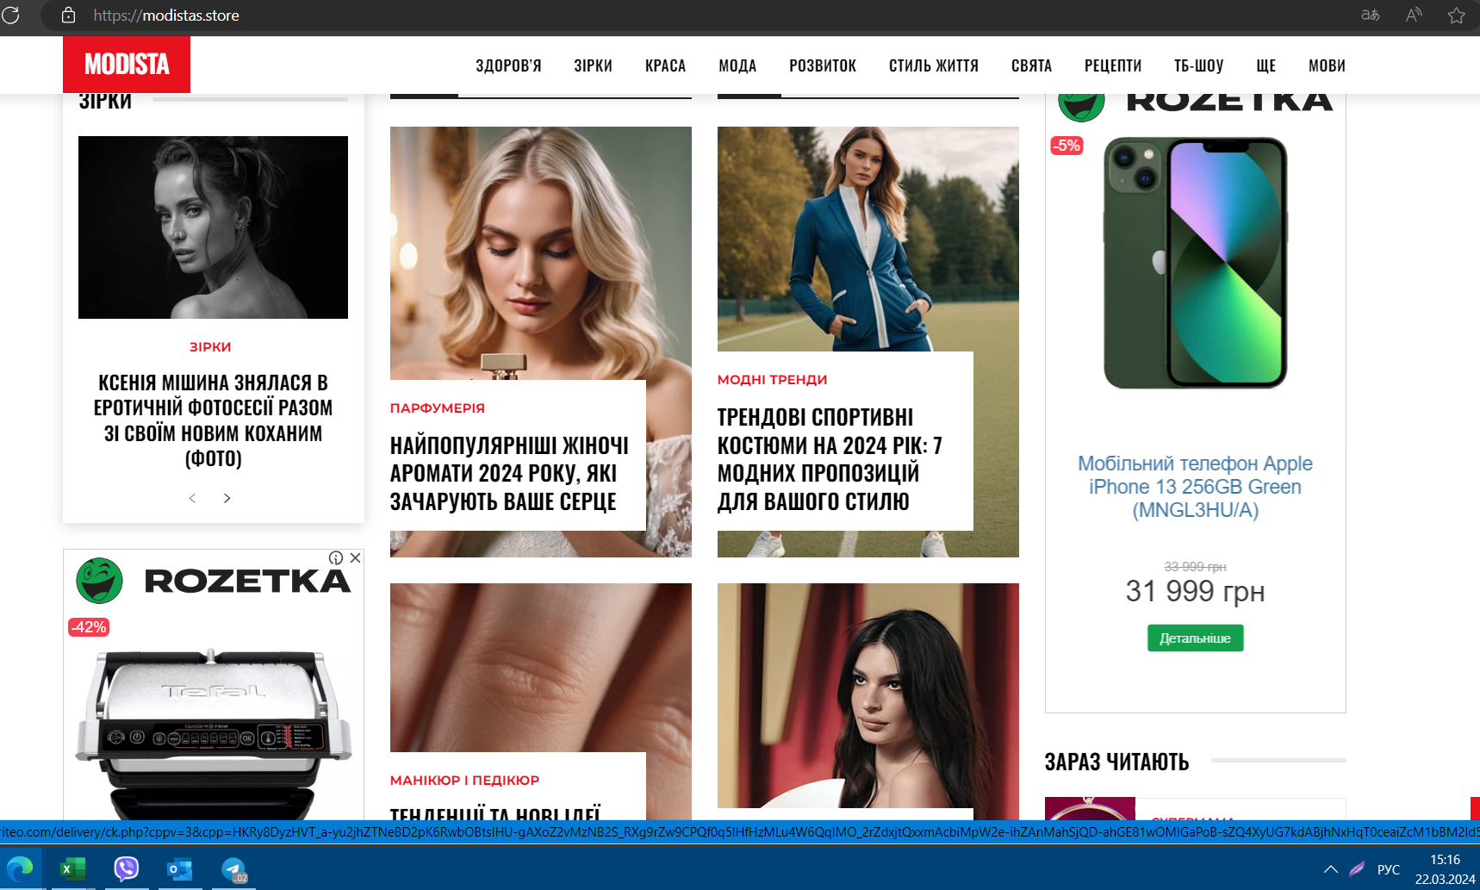

Prom
Дата | Сайт | Посилання на контент | Бренд | Назва файла | Рекламна мережа | Посилання на рекламну мережу | Посилання з UTM
2024-03-22 | 24boxing.com.ua | https://24boxing.com.ua/news/83452rayan-garsiya-devis-dav-meni-svii-nespravzhnii-nomer.html | Prom | 24boxing.com.ua_22.03.2024 | Google | https://www.googleadservices.com/pagead/aclk?sa=L&ai=C9AQdJVP9ZczaKZWcjuwP6JOgwAaUoPPFdqXSr5GyEoSop4dgEAEgrOT2CGClrqOG_CKgAZOe858oyAECqQLQwh43oqBbPqgDAcgDyQSqBI4CT9AzJCn7eEpD1Vxsi03qYZS_HT8MFvKpKmcqqw-7CvYUK5rqHB2Jae_ZDyfEloXSgStoE2On_851bTneeBGWfd0VTMi2TIpTCWZgoLThVVM9Diu6atIYlABg2EPRIe60S5dyXuchIyTOa_e4JQMRRdoxmPuSmJSvwMbtd0GF7US8jCllzm-Xx4_uURCD2SwBe5srvo9MPHFyDr4l8YmLDKBZOxSx7A-QyZscCFLX-2g__42-zNQ9WWVAo92IDjydy6tbc3PEe8f5YKoMClBFdQuDmgmwhSVIJSuhsPlaNXXov-BUL5s9w0NWq3JrTkDhZyFZpD5V2jMVpINwzwJyHO0IsColD_91s1T2TxZEwATx-9Wz2ASIBd6R4phOoAYCgAeT1sP_AqgH2baxAqgHr76xAqgH1ckbqAemvhuoB47OG6gHk9gbqAfulrECqAf-nrECqAeaBqgH89EbqAeW2BuoB6qbsQKoB4OtsQKoB-C9sQKoB_-esQKoB9-fsQLYBwHSCCQIgGEQARgfMgKKAjoJgECAwICAgKAoSL39wTpYkKHm78qHhQOaCSFodHRwczovL3Byb20udWEvdWEvc2MvcHJvbS1vcGxhdGGxCb1SYA_FcP5CgAoByAsB4AsBqg0CVUHIDQHYEwPQFQGYFgH4FgGAFwGyGAkSAsFPGAIiAQDoGAE&gclid=EAIaIQobChMIjIHn78qHhQMVFY6DBx3oCQhoEAEYASAAEgKbwPD_BwE&num=1&cid=CAQSOwB7FLtqUixHk455uW3zdzSGoDc0yn4QBmy7imIv2zhQhddOK4Z3YTxlpJbgs6LFyzmAmIv9Ce_Cu6qqGAE&sig=AOD64_26MN1ECiO2FrnySh9BRdHgR-UN4A&client=ca-pub-4577254435597104&rf=2&nb=17&adurl=https://ad.doubleclick.net/ddm/trackclk/N393806.5221611NEW_BANNER/B31467960.387164230%3Bdc_trk_aid%3D578292552%3Bdc_trk_cid%3D209845413%3Bdc_lat%3D%3Bdc_rdid%3D%3Btag_for_child_directed_treatment%3D%3Btfua%3D%3Bltd%3D%3Bdc_tdv%3D1 | https://prom.ua/ua/sc/prom-oplata?dclid=&gclid=EAIaIQobChMIjIHn78qHhQMVFY6DBx3oCQhoEAEYASAAEgKbwPD_BwE
